COD
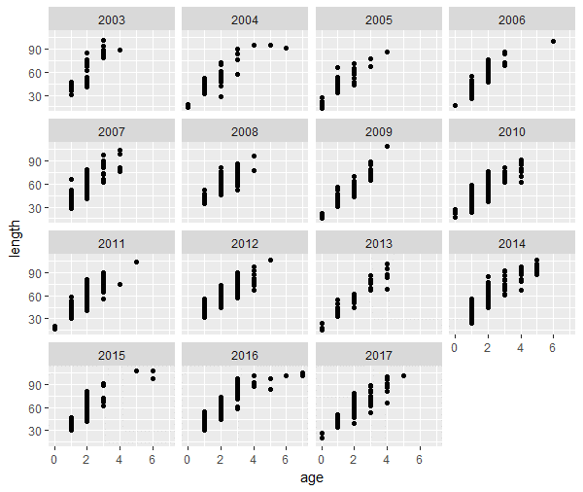
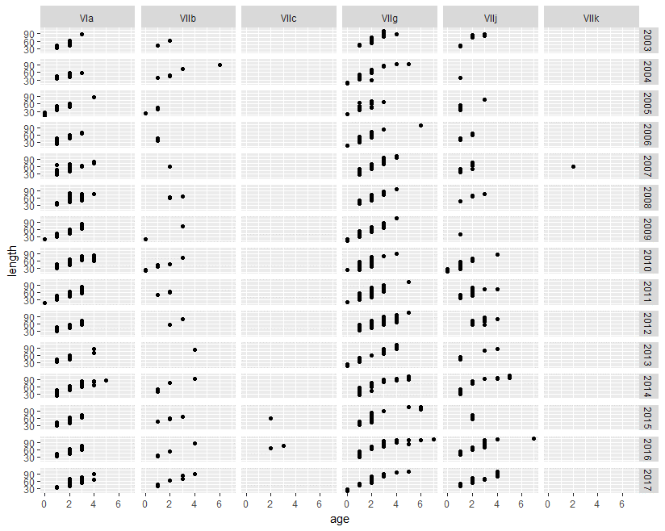
2009 data causing issues - removed all 2009 | Division by year
 | removed small samples still issues

HER
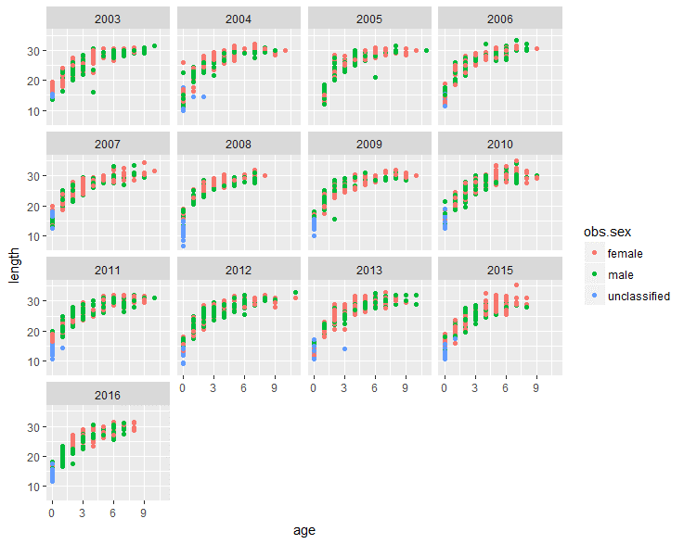
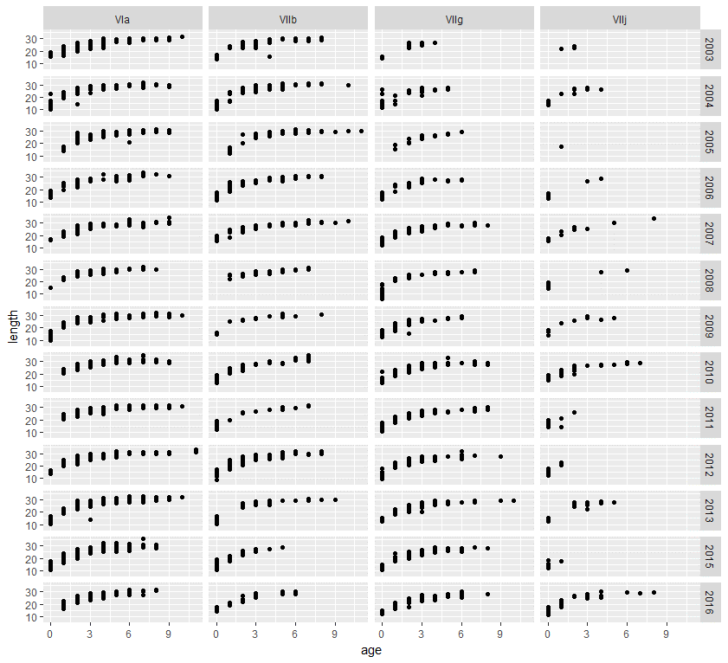
Sex by year |  |  | removed samples <14
2007 causing issues |  |  | 5 groups removed
2010 |  |  | removed years same as sex
2011 | 2015 | 2016

HOM
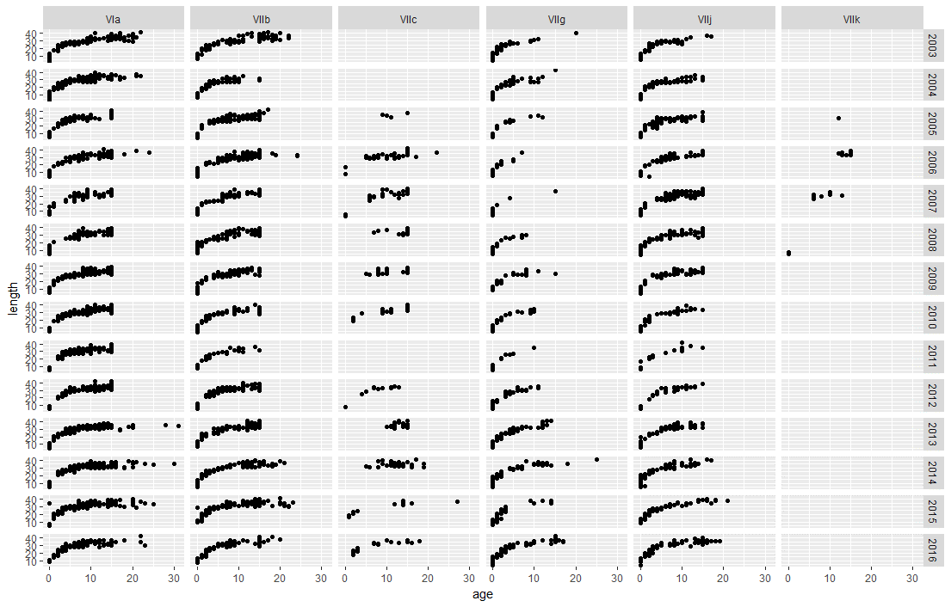
HOM
Removed VIIc and VIIk

MAC
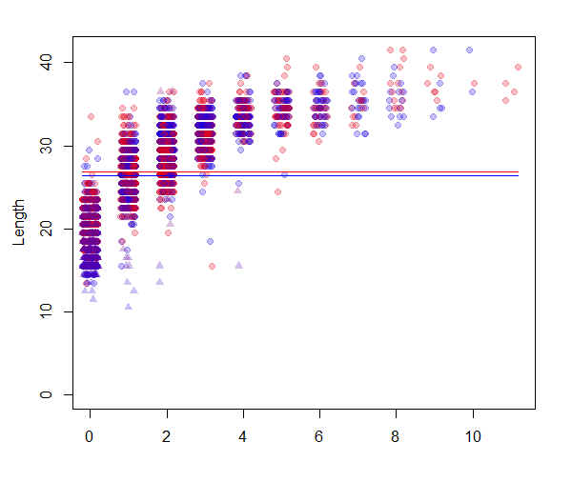
Error in solve.default(oll.fit$hessian) :
Lapack routine dgesv: system is exactly singular: U[3,3] = 0
In addition: There were 13 warnings (use warnings() to see them)

MEG
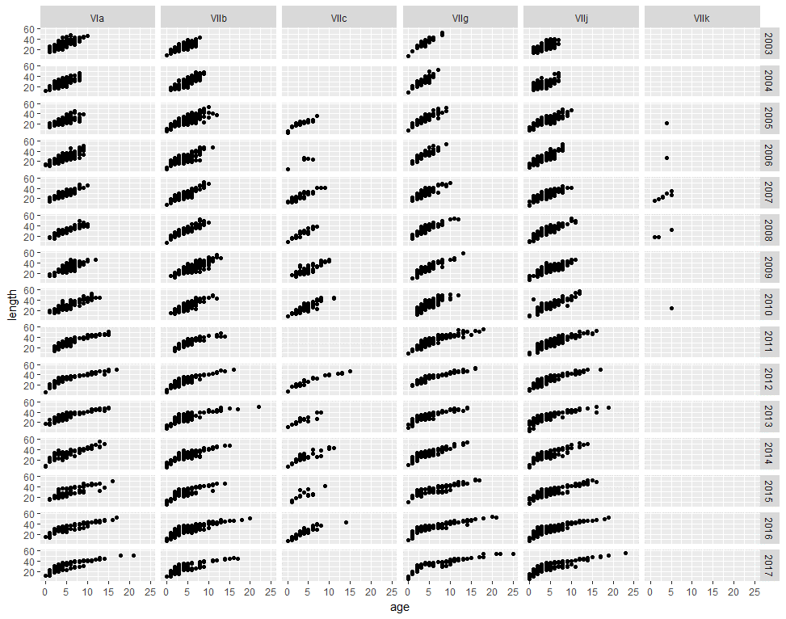
remove VIIc and VIIk

PLE
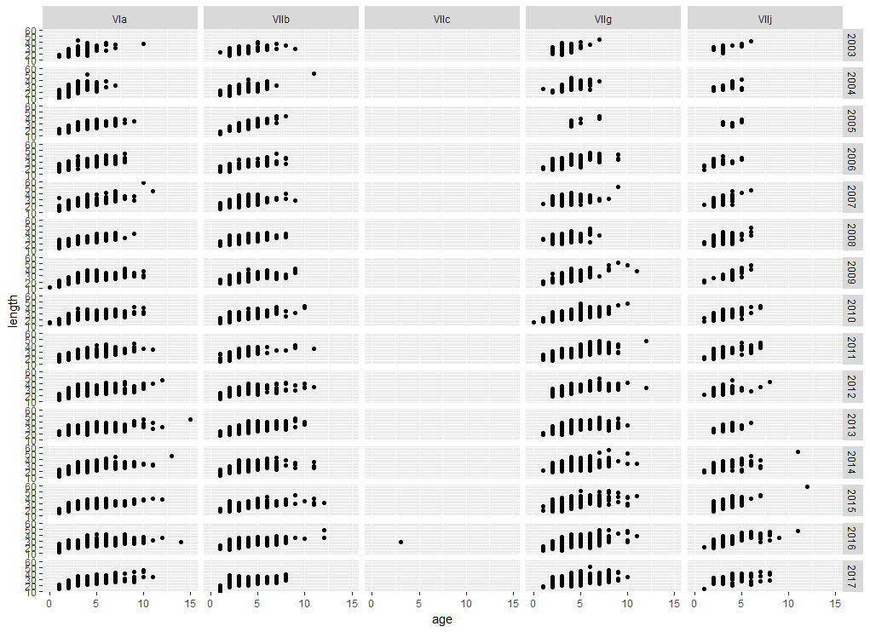
Tried filtering divisions
Also age >11

POK
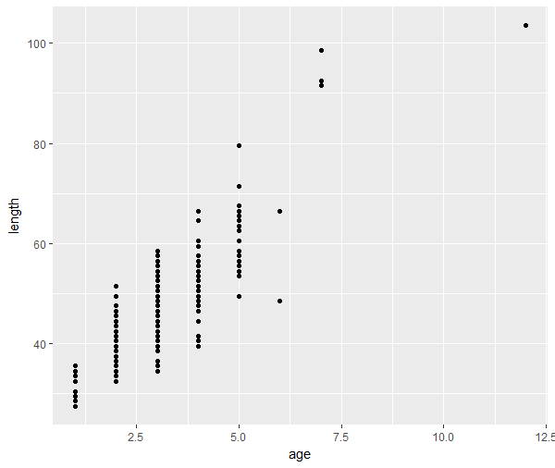
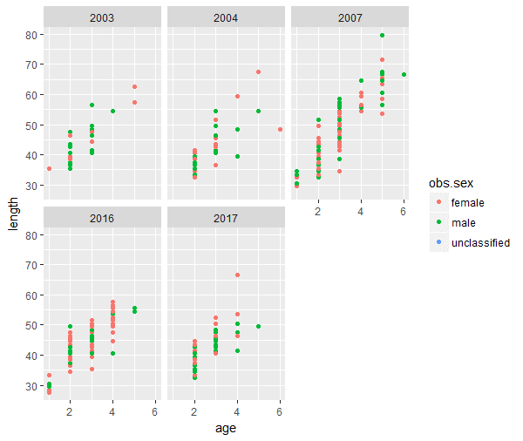
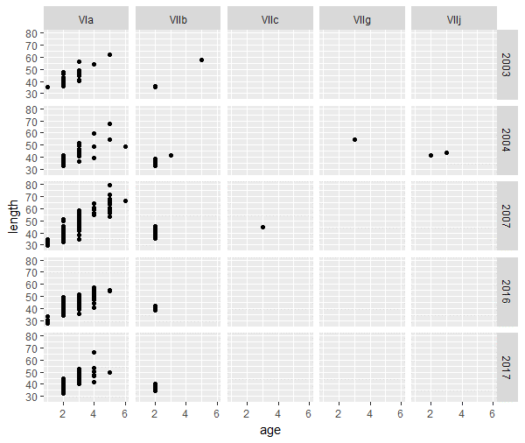
Filter age >7 | Sex by Year | Divisions by year

SOL
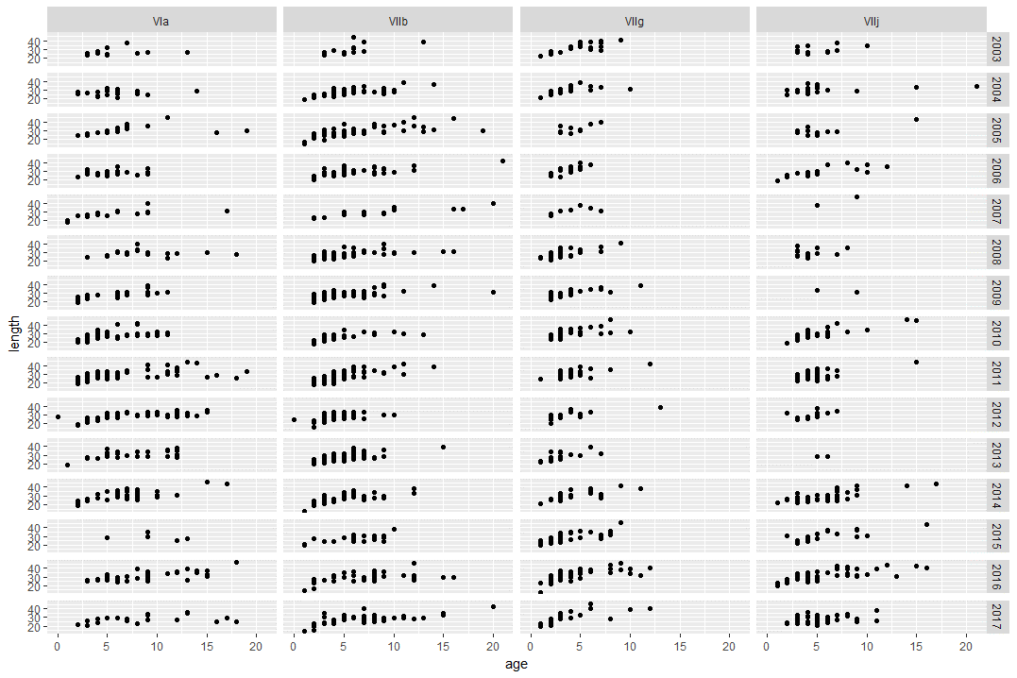
Div by year

WHB
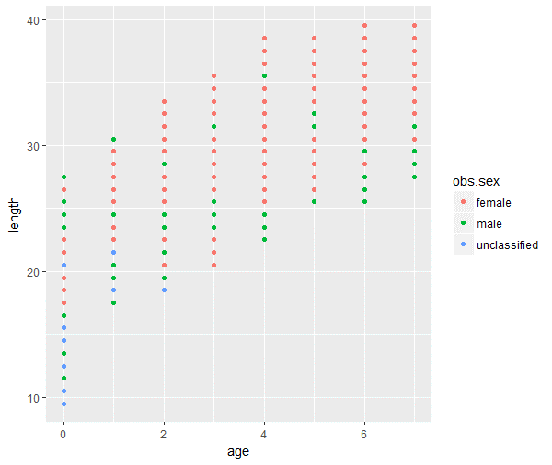
Sex

